version
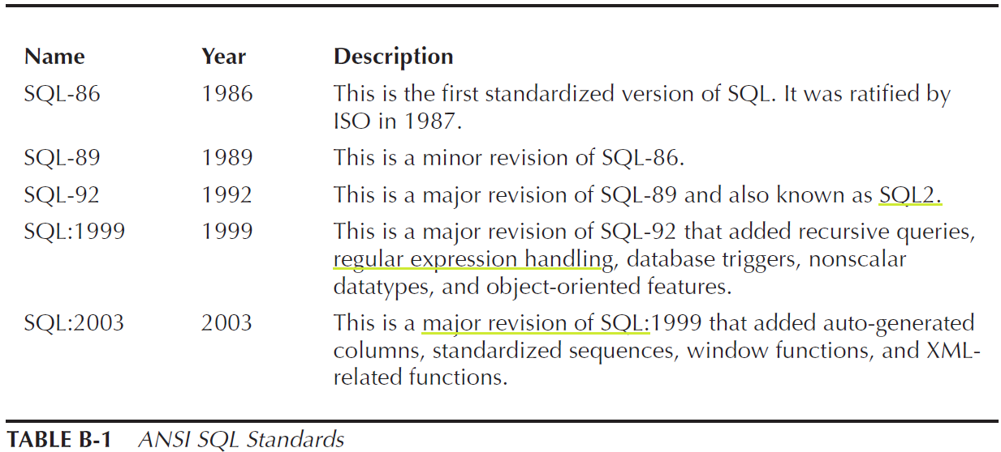
Version | Released on | Salient Features 1 | Salient Features 2
Oracle 1 | 1978
Oracle 2 | 1979
Oracle 4 | 1984
Oracle 5 | 1986
Oracle 6 |  | it introduce pl/sql 1.0
Oracle 7 |  | it introduce pl/sql 2.0
Oracle 8i |  | it introduce java stored procedure
Oracle 9i ( i stands for Internet ) | 2001 | it support SQL- 1999 standard | introduce MERGE command
Oracle 10g | 2003 | it support SQL-2003 standard
Oracle 11g ( g stands for GRID ) | 2007 | Regular Expression support | pl/sql 11.1

Oracle Documentation Library | 0
books | http://www.oracle-base.com/misc/OCPCertification.php#11g
 | http://www.choudhari.net/Certifications/11g/

Oracle Product | Oracle Database Server | actual DB
 | Oracle Application Server | For Web, same like WebSphere, WebLogic and etc
 | Oracle Enterprise Manager | Web based Database Admin tool for single database, deployed in Oracle Application Server
 | Oracle Grid Control | Web based Database Admin tool for multiple/clustered database, deployed in Oracle Application Server
 | Oracle E-business Suite
 | Oracle Collaboration Suite
 | Oracle Net | it is Oracle's proprietary protocol, used between client and DB instance

Environment variable need in linux
 | ORACLE_SID | XE
 | ORACLE_BASE | /u01/app/oracle
 | ORACLE_HOME | /u01/app/oracle/product/11.2.0/xe

SQL
 | founder of SQL | Donald Chamberlain and Raymond Boyce in the early 1970s
 | The current ANSI SQL Standard SQL-2008
 | the SQL first used in IBM's RDBMS
 | SQL controlled by ISO and ANSI

Oracle Editions ( 11g ) | Oracle Express Edition ( XE )
 | Oracle Standard Edition ( SE )
 | Oracle Enterprise Edition (EE )

DB Instance 2
Orace Database | files stored in disk | Oracle Logical Storage Structure | Logical Database Structure | Physical (File) Storage Structure | Physical (Memory) Storage Structure

Oracle Instance | reside in memory as block | Table Space (group of one or more data files) | Table |  | SGA
 |  | Segment | Relational Table |  | PGA
 |  | Extend | Temporary Table
 |  | block | Index Organized Table
 |  |  | Object Table
 |  |  | External Table
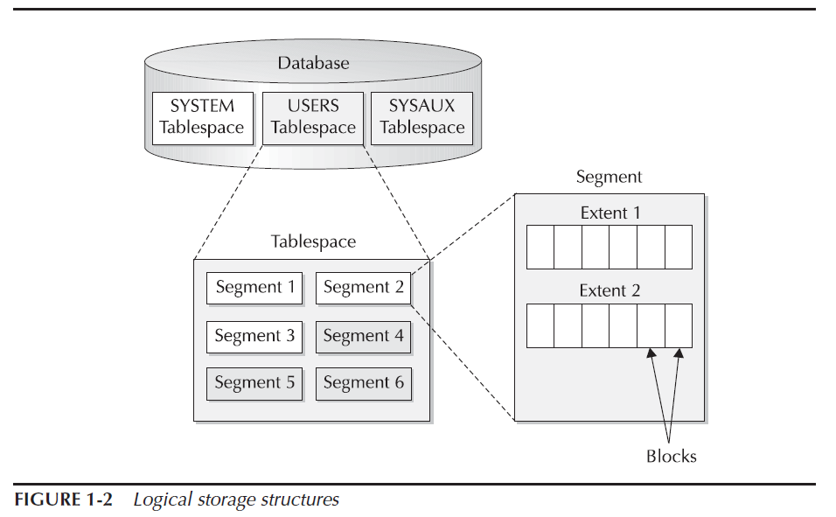
 |  |  | Clustered Table
 |  |  | Hash Cluster Table
 |  |  | Stored Hash Cluster
 |  |  | Partitioned Table
 |  |  | Constraint – 6 categories
 |  |  | Index – 5 categories
 |  |  | Views
 |  |  | Regular View
 |  |  | Materialized View
 |  |  | Object View
 |  |  | User & Schema
 |  |  | Profile
 |  |  | Sequence
 |  |  | dataTypes
 |  |  | Synonyms
 |  |  | DB Link & Remote database
 |  |  | PL/SQL
 |  |  | Procedure
 |  |  | Function
 |  |  | Package
 |  |  | Triggers
 |  |  | External File

